How to find Syllabuses
 | How to download syllabuses

1 | Go to our website.
 | http://onestop.pusan.ac.kr/English/
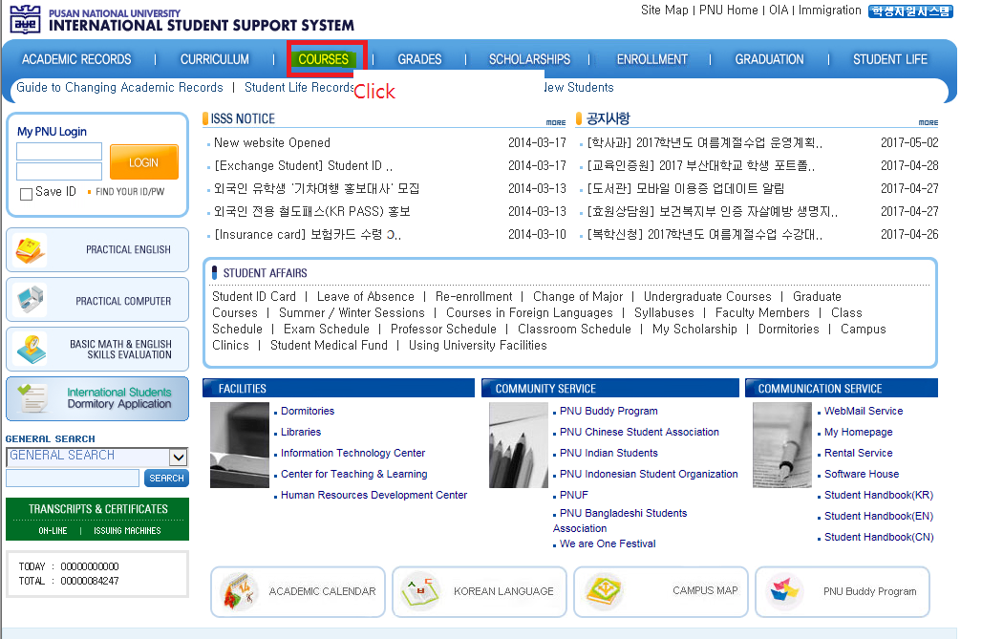
2

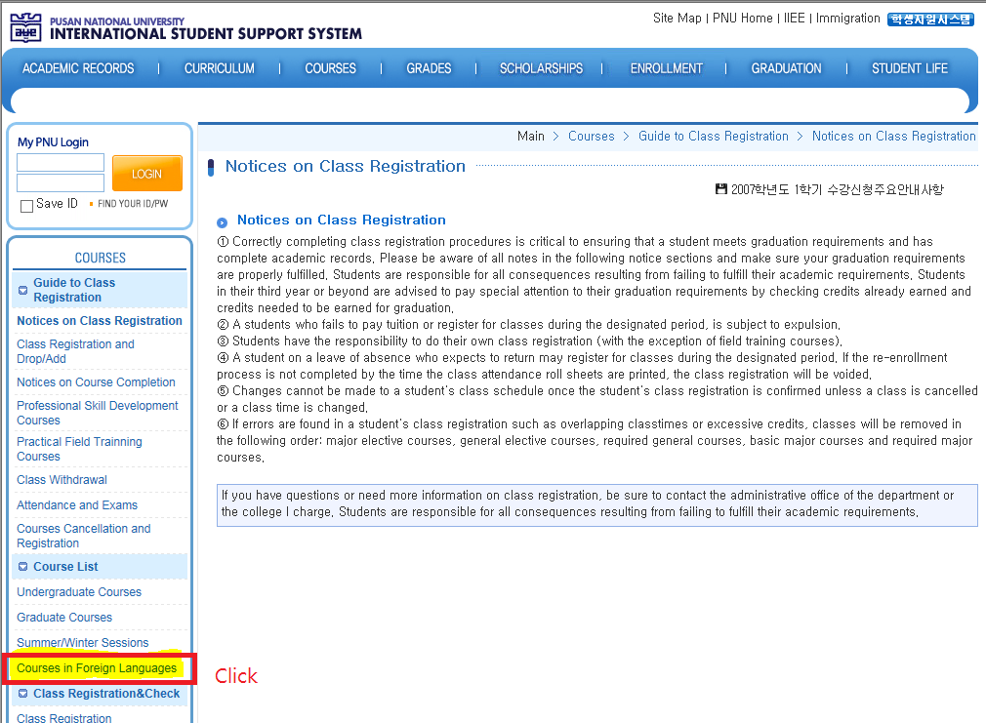
3

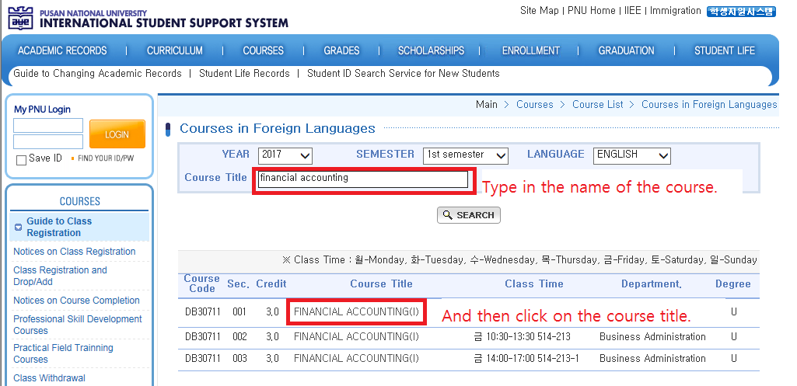
4

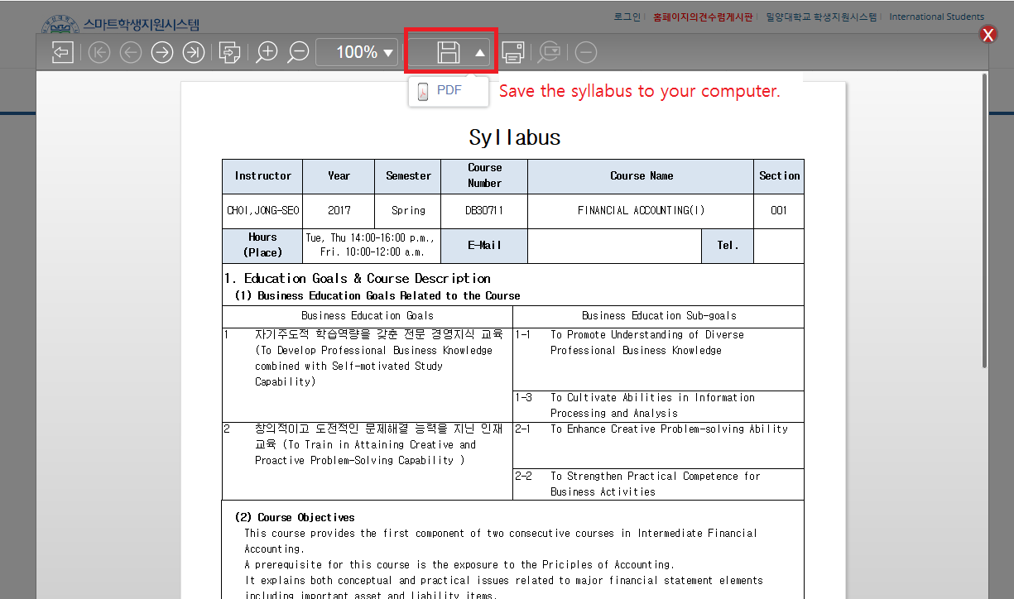
5

Find Korean Language Courses
